Data
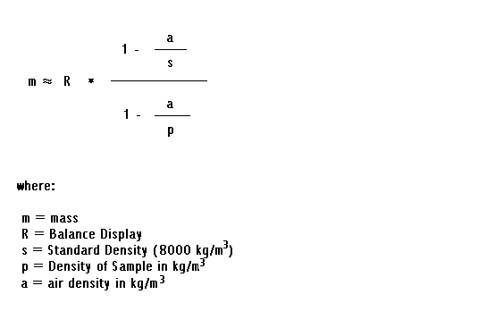
nominal Volume (cm^3) | weight g | Temp B1 |  | TempB1b | TempB2b | averageTemp | water density @ t | density corrected mass | volume dispensed | delta V | water density @22.7 | 6/6/11
5 | 4.98624 | 25.4783 | 25.3819 | 25.3666 | 25.3274 | 25.38855 | 996.94070074 | 4.9855127788 | 5.0008117585 | 0.00081175853638 | 0.0011762019034
4 | 3.99106 | 25.4813 | 25.4468 | 25.4332 | 25.376 | 25.434325 | 996.92878071 | 3.9904779215 | 4.00277131 | 0.0027713099803 | standard density g/cm^3
3 | 2.99172 | 25.566 | 25.5362 | 25.581 | 25.5514 | 25.55865 | 996.89630634 | 2.991283671 | 3.0005966036 | 0.00059660362281 | 8
2 | 1.99506 | 25.7872 | 25.7607 | 25.8265 | 25.7993 | 25.793425 | 996.83458605 | 1.9947690295 | 2.00110335 | 0.0011033499983
1 | 0.99634 | 25.906 | 25.8787 | 25.9203 | 25.8939 | 25.899725 | 996.80647101 | 0.99619468835 | 0.99938625734 | -0.00061374266471
Dosimat correction 2011 06 10
0.5 | 0.49325 | 26.1645 | 26.1599 | 25.2066 | 25.1901 | 25.680275 | 996.86439669 | 0.4931780617 | 0.49472933665 | -0.0052706633523
5 | 4.98489 | 26.2755 | 26.244 | 25.3456 | 25.31 | 25.793775 | 996.83449365 | 4.9841629764 | 4.999990478 | -9.522024043E-06
4 | 3.988 | 26.5132 | 26.4774 | 26.5293 | 26.4919 | 26.50295 | 996.64493432 | 3.9874183691 | 4.000841455 | 0.00084145501945
3 | 2.99171 | 26.5945 | 26.5542 | 26.6002 | 26.5618 | 26.577675 | 996.62468931 | 2.9912736734 | 3.0014043456 | 0.0014043455542
2 | 1.99361 | 26.6056 | 26.5658 | 26.609 | 26.5681 | 26.587125 | 996.62212539 | 1.9933192415 | 2.0000752449 | 7.5244904249E-05
1 | 0.99578 | 26.6351 | 26.5931 | 26.6477 | 26.6142 | 26.622525 | 996.61251353 | 0.99563477026 | 0.99901893338 | -0.00098106662302
0.5 | 0.49688 | 26.6995 | 26.659 | 26.7118 | 26.6651 | 26.68385 | 996.59583518 | 0.49680753244 | 0.498504524 | -0.0014954759955
1 | 0.99704 | 26.7922 | 26.7534 | 26.8076 | 26.766 | 26.7798 | 996.56967062 | 0.99689458654 | 1.0003260343 | 0.00032603433021
0.5 | 0.49707 | 26.8505 | 26.8097 | 26.8509 | 26.8011 | 26.82805 | 996.5564814 | 0.49699750475 | 0.49871483858 | -0.0012851614235
2 | 1.99328 | 26.8604 | 26.8146 | 26.8509 | 26.7947 | 26.83015 | 996.55590688 | 1.9929892898 | 1.9998770526 | -0.00012294740455
3 | 2.9884 | 26.889 | 26.8417 | 26.903 | 26.848 | 26.870425 | 996.54488051 | 2.9879641564 | 2.9983237231 | -0.0016762768676
4 | 3.98534 | 26.8288 | 26.7979 | 26.7337 | 26.6795 | 26.759975 | 996.57508362 | 3.9847587574 | 3.998453125 | -0.0015468749699
5 | 4.98479 | 26.6172 | 26.5785 | 26.5934 | 26.5558 | 26.586225 | 996.6223696 | 4.9840629922 | 5.0009543677 | 0.00095436767543

Dosimat correction 6/10/2011

